PushToGithub
2018-08-20
GIT tutorial
 | https://www.codeproject.com/Articles/457305/Basic-Git-Command-Line-Reference-for-Windows-Users

How to push 1 folder at Local to Github
https://help.github.com/articles/adding-an-existing-project-to-github-using-the-command-line/
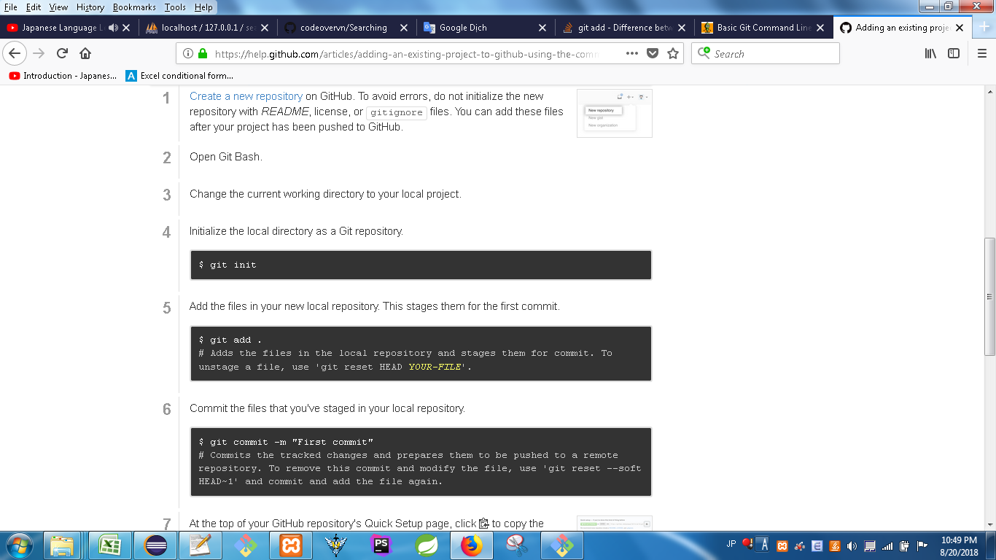

#1 | Tạo branch mới trên GITHUB

#2 | Đặt tên branch mới trên GITHUB
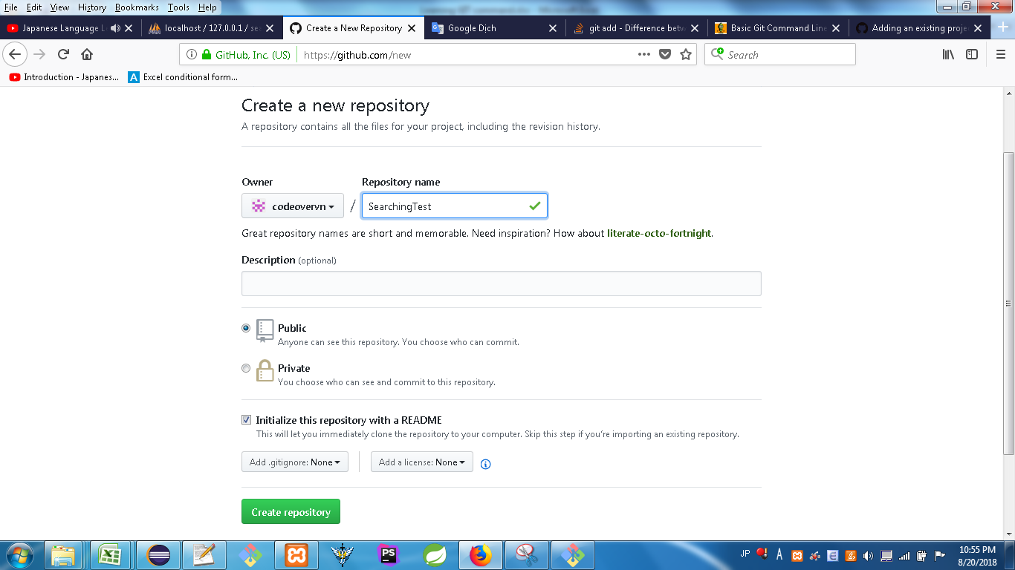
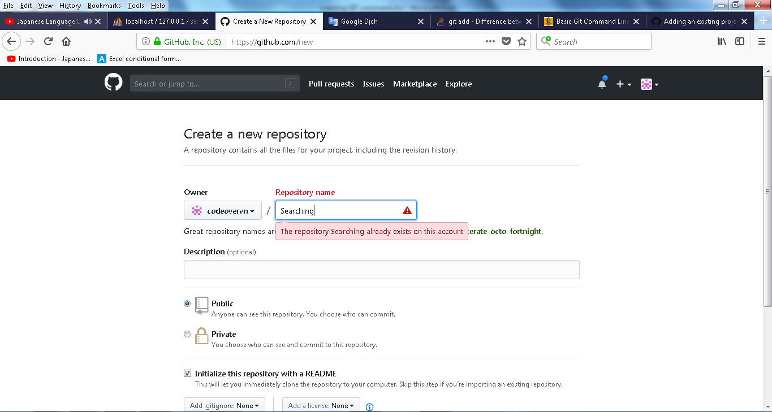

Vì branch cũ đã có nên lấy tạm tên này "SearchingTest" để TEST

#3 | Sau khi tạo xong branch mới
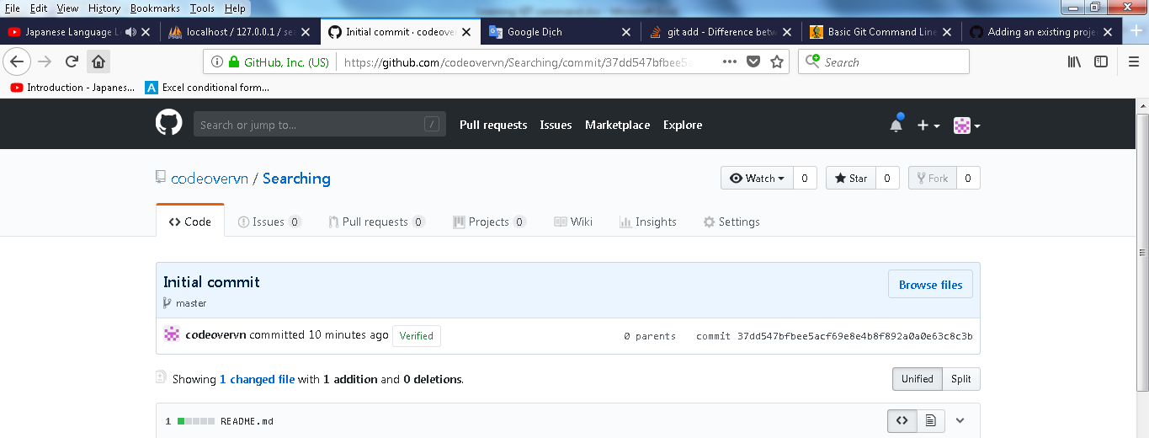

#4 | Get path / Download src of branch to local
 | https://github.com/codeovervn/Searching.git
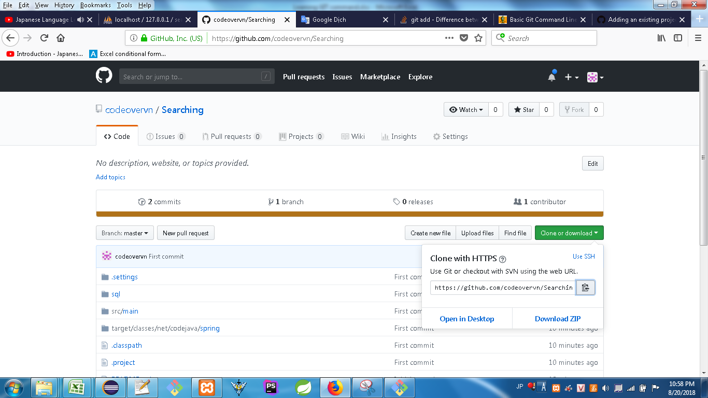

#5 | Clone branch to local (ko sử dụng cách Download src về local rồi giải nén)
 | https://github.com/codeovervn/Searching.git

#6 | CD to branch vừa mới Clone done

#7 | Bắt đầu thực hiện PUSH toàn bộ SRC lên GITHUB

 |  | 1 | git init
 |  |  | Khởi động branch

 |  | 2 | git add .
 |  |  | Add toàn bộ files/folder có trong folder lên Git branch

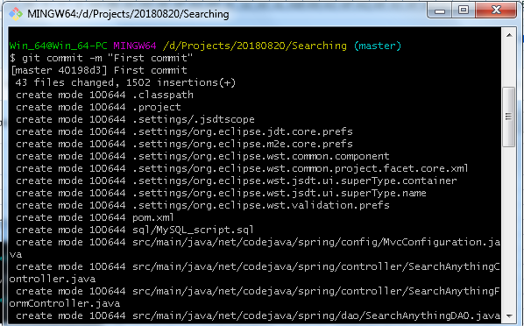

 |  | 3 | git commit -m "comment anything at here"
 |  |  | Commit toàn bộ vào branch ở Local

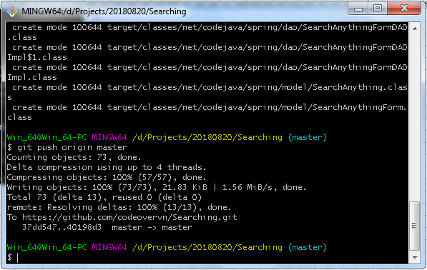

 |  | 4 | git push origin master
 |  |  | PUSH toàn bộ nội dung lên branch mới dc tạo trên GITHUB "master"
 |  | hết

#8 | Add thêm 1 file bất kì nào đó sau khi đã add done toàn bộ folder.
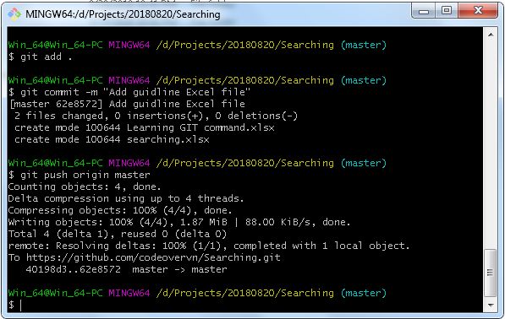
 |  | 1 | git add .
 |  |  | Add thêm 2 file guilde lên branch

 |  | 2 | git commit -m "Add guidline Excel file"
 |  |  | Commit toàn bộ vào branch ở Local

 |  | 3 | git push origin master
 |  |  | PUSH toàn bộ nội dung lên branch mới dc tạo trên GITHUB "master"
 |  | hết

Hết

